sCPUE
Standardised CPUE
Year | CPUE | SE
2009 | 106.0776721 | 6.69254941
2010 | 109.6855304 | 6.149221816
2011 | 120.538634 | 5.933674306
2012 | 135.3926686 | 6.013388416
2013 | 131.5165066 | 5.603080232
2014 | 122.3478347 | 6.409011856
2015 | 159.8880334 | 6.541525276
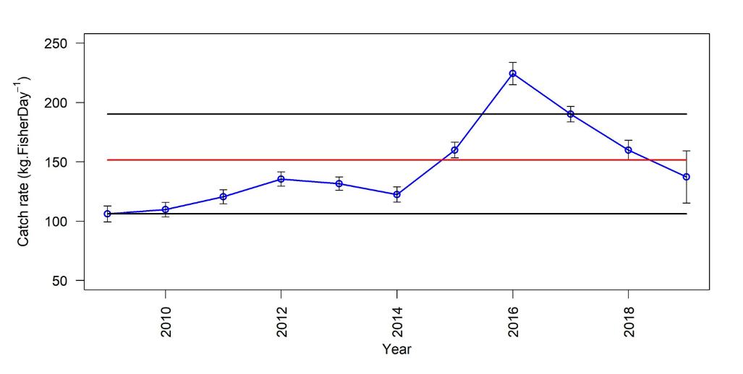
2016 | 224.2785358 | 9.373917482
2017 | 190.111 | 6.5895461
2018 | 159.7899281 | 8.267942038
2019 | 137.2 | 21.904

FIS
Catch rates of legal and undersize crabs from FIS.
Year | Legal | Undersize | Total
2005 | 9.08 | 1.85 | 10.92
2006 | 7.88 | 0.91 | 8.79
2007 | 9.35 | 7.58 | 16.93
2008 | 6.70 | 5.72 | 12.43 | Standardised (nominal scale)
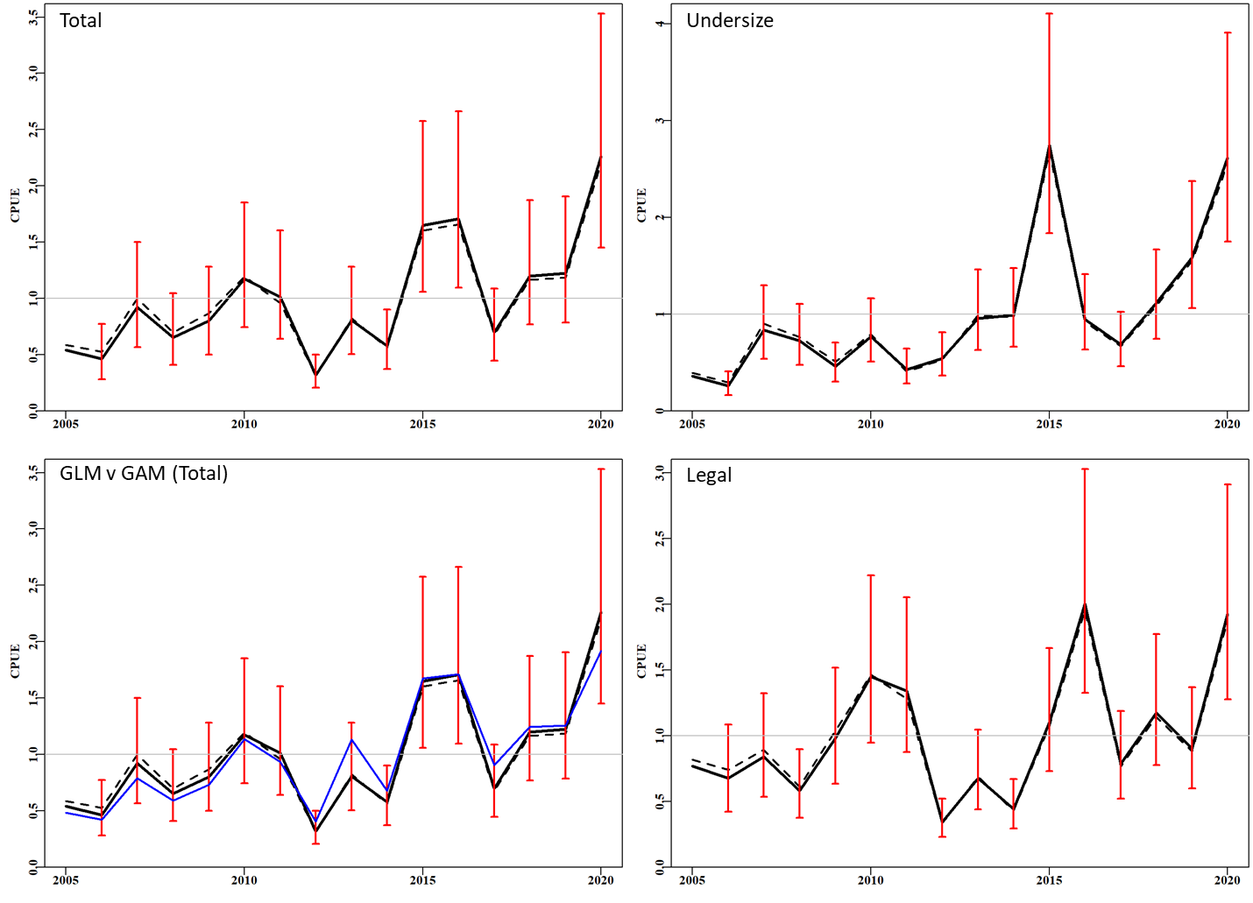
2009 | 10.59 | 2.70 | 13.28
2010 | 19.98 | 5.56 | 25.54
2011 | 12.77 | 1.85 | 14.62
2012 | 4.15 | 3.00 | 7.52
2013 | 11.06 | 9.75 | 21.21
2014 | 4.87 | 9.30 | 14.38
2015 | 11.82 | 18.75 | 30.68
2016 | 22.22 | 7.07 | 29.57
2017 | 12.03 | 8.63 | 20.88
2018 | 14.70 | 9.78 | 24.65
2019 | 9.80 | 11.62 | 21.67
2020 | 17.63 | 15.03 | 32.87

Fishery
this data is fiscal year. 1984 = 1984/85
Year | Catch (t) | Effort (FisherDays) | Effort ('000 net lifts) | CPUE (kg.NL-1) | CPUE (kg.FisherDay-1)
1984 | 149.097 | 272 |  |  | 83.25
1985 | 292.276 | 815 |  |  | 95.07
1986 | 382.756 | 1189 |  |  | 94.39
1987 | 487.917 | 1462 |  |  | 142.7
1988 | 291 | 827 |  |  | 124.54
1989 | 208.614 | 483 |  |  | 137.16
1990 | 259.018 | 684 |  |  | 161.49
1991 | 325.875 | 1000 |  |  | 157.84
1992 | 329.917 | 696 |  |  | 177.21
1993 | 350.707 | 1370 |  |  | 140.04
1994 | 443.583 | 1518 |  |  | 171.37
1995 | 423.592 | 1337 |  |  | 188.95
1996 | 378.325 | 1529 |  |  | 165.27
1997 | 310.761 | 2462 |  |  | 126.22
1998 | 267.467 | 1653 |  |  | 161.81
1999 | 224.528 | 1535 |  |  | 146.27
2000 | 241.928 | 1620 |  |  | 149.34
2001 | 204.607 | 1678 |  |  | 121.94
2002 | 227.931 | 1718 |  |  | 132.67
2003 | 220.223 | 1509 |  |  | 145.94
2004 | 118.405 | 949 |  |  | 124.77
2005 | 133.38 | 1199 |  |  | 111.24
2006 | 119.237 | 1117 |  |  | 106.75
2007 | 114.101 | 1030 |  |  | 110.78
2008 | 85.22 | 727 |  |  | 117.22
2009 | 91.431 | 770 | 56 | 1.7044637098 | 120.09
2010 | 82.471 | 695 | 46 | 1.6856059521 | 119.03
2011 | 102.337 | 755 | 52 | 2.1628323338 | 135.39
2012 | 131.695 | 935 | 59 | 2.3259918393 | 140.77
2013 | 145.946 | 1002 | 71 | 2.0990618983 | 145.53
2014 | 78.539 | 694 | 42 | 2.1474935392 | 113.25
2015 | 143.622 | 951 | 59 | 2.7163445108 | 160.18
2016 | 140.158 | 723 | 42 | 3.3257410975 | 201.68
2017 | 140.244 | 714 | 45 | 2.9762313105 | 204.12
2018 | 111.716 | 673 | 53 | 1.954307584 | 174.43
2019 | 87.9 | 654 | 50 | 1.7515143619 | 132.62

